MK
 |  |  |  |  |  |  |  |  |  |  |  | 1470
BRAND | GENDER | TYPE | CATEGORY | ARTICLE CODE | COLOR CODE | DESCRIPTION | COLOR NAME | SKU | SIZE | PHOTO | RRP | QTY
Michael Kors | Women | Bags | Backpack | 35S5GRAB6V | 3472 | Md Zip Backpack | POP ORNG MLT | 35S5GRAB6V-POP ORNG MLT | ONESIZE | 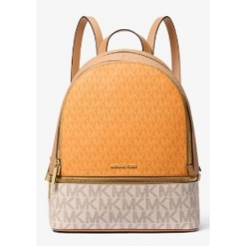 | € 450.00 | 20
Michael Kors | Women | Bags | Backpack | 35S5SRAB6V | 7762 | Md Zip Backpack | LT SKY MLT | 35S5SRAB6V-LT SKY MLT | ONESIZE | 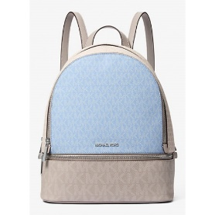 | € 450.00 | 30
Michael Kors | Men | Bags | Backpack | 37T5LCOB2U | 0001 | Dome Bkpk | BLACK | 37T5LCOB2U-BLACK | ONESIZE | 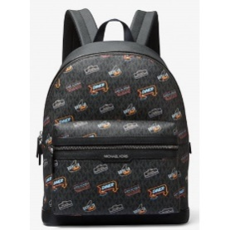 | € 535.00 | 10
Michael Kors | Men | Bags | Backpack | 37T5LCOB6B | 1540 | City Bkpk W Sngl Spd Clp | LIGHT SKY | 37T5LCOB6B-LIGHT SKY | ONESIZE | 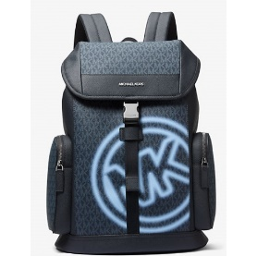 | € 500.00 | 30
Michael Kors | Men | Bags | Backpack | 37T5LLAB7B | 4646 | Md Travel Bkpk | GRASS GREEN | 37T5LLAB7B-GRASS GREEN | ONESIZE | 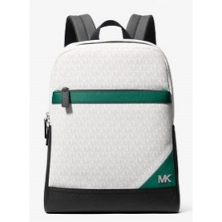 | € 550.00 | 20
Michael Kors | Men | Bags | Backpack | 37T5LLAB7B | 3358 | Md Travel Bkpk | POP ORANGE | 37T5LLAB7B-POP ORANGE | ONESIZE | 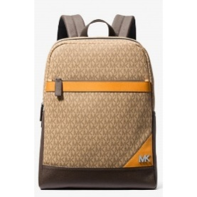 | € 550.00 | 20
Michael Kors | Men | Bags | Backpack | 37T5LLAB7B | 1017 | Md Travel Bkpk | STEEL GREY | 37T5LLAB7B-STEEL GREY | ONESIZE | 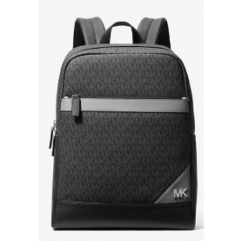 | € 550.00 | 30
Michael Kors | Women | Bags | Tote Bag | 35F0GTVT9L | 2171 | Lg Tz Shldr Tote | LT CREAM | 35F0GTVT9L-LT CREAM | ONESIZE | 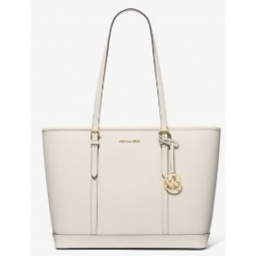 | € 395.00 | 40
Michael Kors | Women | Bags | Tote Bag | 35F0GTVT9L | 1999 | Lg Tz Shldr Tote | OPTIC WHITE | 35F0GTVT9L-OPTIC WHITE | ONESIZE | 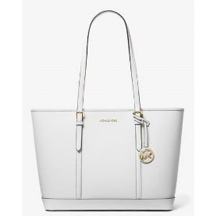 | € 395.00 | 10
Michael Kors | Women | Bags | Tote Bag | 35S5GV6T7B | 3472 | Lg Ew Tote | POP ORNG MLT | 35S5GV6T7B-POP ORNG MLT | ONESIZE | 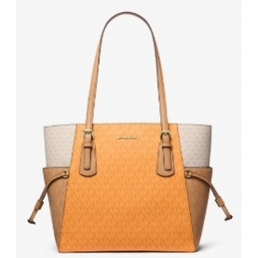 | € 425.00 | 30
Michael Kors | Women | Bags | Tote Bag | 35S5SV6T7B | 7762 | Lg Ew Tote | LT SKY MLT | 35S5SV6T7B-LT SKY MLT | ONESIZE | 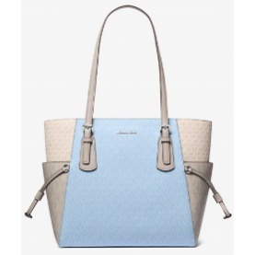 | € 425.00 | 30
Michael Kors | Women | Bags | Tote Bag | 35T0STVL9L | 0001 | Lg Tz Shldr Tote | BLACK | 35T0STVL9L-BLACK | ONESIZE | 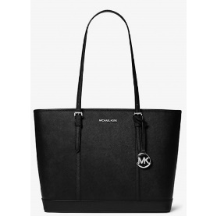 | € 395.00 | 40
Michael Kors | Women | Bags | Tote Bag | 35T0STVL9L | 0239 | Lg Tz Shldr Tote | PEANUT | 35T0STVL9L-PEANUT | ONESIZE | 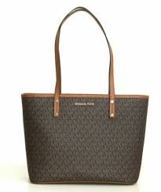 | € 395.00 | 50
Michael Kors | Women | Bags | Tote Bag | 37S5MCOT4L | 0001 | Structured Tote | BLACK | 37S5MCOT4L-BLACK | ONESIZE | 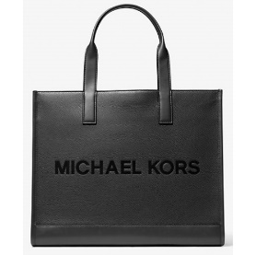 | € 550.00 | 60
Michael Kors | Women | Bags | Bucket Bag | 35S4G3FM5V | 0001 | Sm Bckt Msgr | BLACK | 35S4G3FM5V-BLACK | ONESIZE | 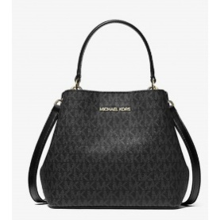 | € 350.00 | 40
Michael Kors | Women | Bags | Bucket Bag | 35S4S3FM5V | 1999 | Sm Bckt Msgr | OPTIC WHITE | 35S4S3FM5V-OPTIC WHITE | ONESIZE | 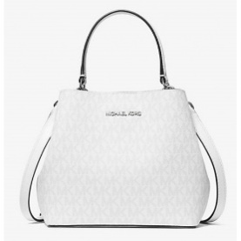 | € 350.00 | 20
Michael Kors | Women | Bags | Shoulder Bag | 35S5GGRL2L | 0001 | Md Flap Shldr | BLACK | 35S5GGRL2L-BLACK | ONESIZE | 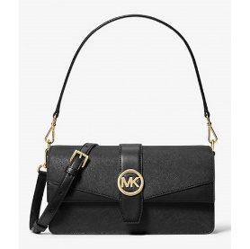 | € 395.00 | 20
Michael Kors | Women | Bags | Shoulder Bag | 35T5S3FS2Y | 0001 | Md Bckt Shldr | BLACK | 35T5S3FS2Y-BLACK | ONESIZE |  | € 425.00 | 40
Michael Kors | Women | Bags | Shoulder Bag | 35T5S3FS2Y | 1999 | Md Bckt Shldr | OPTIC WHITE | 35T5S3FS2Y-OPTIC WHITE | ONESIZE |  | € 425.00 | 20
Michael Kors | Women | Bags | Shoulder Bag | 35T5S3FS2Y | 0239 | Md Bckt Shldr | PEANUT | 35T5S3FS2Y-PEANUT | ONESIZE |  | € 425.00 | 15
Michael Kors | Men | Bags | Shoulder Bag | 37T5LCOL6L | 0001 | Soft Crescent Bag | BLACK | 37T5LCOL6L-BLACK | ONESIZE | 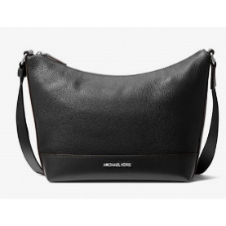 | € 375.00 | 35
Michael Kors | Men | Bags | Shoulder Bag | 37S4LCOL6I | 0230 | Reporter Bag | LUGGAGE | 37S4LCOL6I-LUGGAGE | ONESIZE | 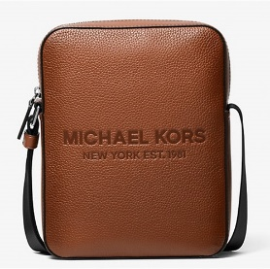 | € 350.00 | 30
Michael Kors | Women | Bags | Satchel Bag | 35S3G6HS2L | 0001 | Md Cz Satchel | BLACK | 35S3G6HS2L-BLACK | ONESIZE | 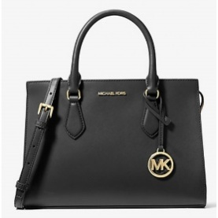 | € 395.00 | 40
Michael Kors | Women | Bags | Satchel Bag | 35S3G6HS2L | 1999 | Md Cz Satchel | OPTIC WHITE | 35S3G6HS2L-OPTIC WHITE | ONESIZE | 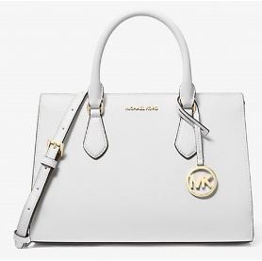 | € 395.00 | 30
Michael Kors | Women | Bags | Satchel Bag | 35S5G7OS6L | 0001 | Md Duffle Satchel | BLACK | 35S5G7OS6L-BLACK | ONESIZE | 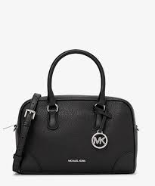 | € 495.00 | 40
Michael Kors | Women | Bags | Satchel Bag | 35S5G7OS6L | 0230 | Md Duffle Satchel | LUGGAGE | 35S5G7OS6L-LUGGAGE | ONESIZE | 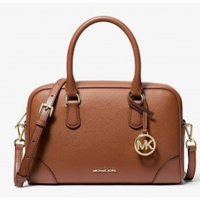 | € 495.00 | 30
Michael Kors | Women | Bags | Satchel Bag | 35S5S7OS6L | 0410 | Md Duffle Satchel | NAVY | 35S5S7OS6L-NAVY | ONESIZE | 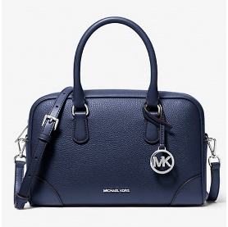 | € 495.00 | 30
Michael Kors | Women | Bags | Satchel Bag | 35S5S7OS6L | 1999 | Md Duffle Satchel | OPTIC WHITE | 35S5S7OS6L-OPTIC WHITE | ONESIZE | 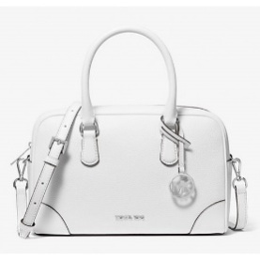 | € 495.00 | 30
Michael Kors | Women | Bags | Satchel Bag | 35S5S7OS6L | 0239 | Md Duffle Satchel | PEANUT | 35S5S7OS6L-PEANUT | ONESIZE | 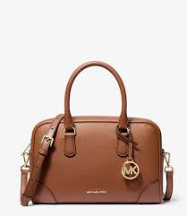 | € 495.00 | 40
Michael Kors | Women | Bags | Satchel Bag | 35T5S2ZS5V | 0239 | Sm Cz Satchel | PEANUT | 35T5S2ZS5V-PEANUT | ONESIZE |  | € 425.00 | 10
Michael Kors | Men | Bags | Crossbody Bag | 37T5LCOC6J | 3354 | Ew Flight Bag | BLACK WASH | 37T5LCOC6J-BLACK WASH | ONESIZE |  | € 325.00 | 30
Michael Kors | Men | Bags | Crossbody Bag | 37T5LCOC6J | 3356 | Ew Flight Bag | MEDIUM BLUE WASH | 37T5LCOC6J-MEDIUM BLUE WASH | ONESIZE |  | € 325.00 | 20
Michael Kors | Men | Bags | Crossbody Bag | 37T5LLAY1V | 0410 | Mini Belt Bag | NAVY | 37T5LLAY1V-NAVY | ONESIZE | 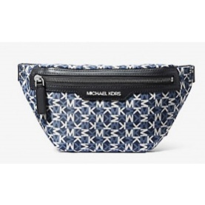 | € 300.00 | 20
Michael Kors | Men | Bags | Pouch | 37S5LCOM2L | 0001 | 3In1 Xbody Pouch | BLACK | 37S5LCOM2L-BLACK | ONESIZE | 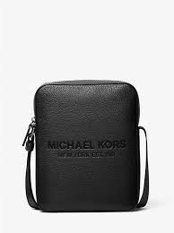 | € 300.00 | 40
Michael Kors | Women | Bags | Wallet | 35S5S1YE0L | 0001 | Xs Trifold Wallet | BLACK | 35S5S1YE0L-BLACK | ONESIZE | 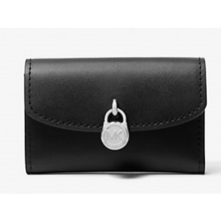 | € 150.00 | 50
Michael Kors | Women | Bags | Wallet | 35S5S1YE0L | 2699 | Xs Trifold Wallet | DK RASPBERRY | 35S5S1YE0L-DK RASPBERRY | ONESIZE |  | € 150.00 | 30
Michael Kors | Women | Bags | Wallet | 35S5S1YE0L | 0239 | Xs Trifold Wallet | PEANUT | 35S5S1YE0L-PEANUT | ONESIZE |  | € 150.00 | 30
Michael Kors | Women | Bags | Wallet | 35T5STTC3K | 0040 | Lg Ew Crossbody | SILVER | 35T5STTC3K-SILVER | ONESIZE | 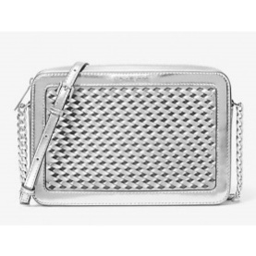 | € 295.00 | 30
Michael Kors | Women | Bags | Wallet | 35T5STTC3Y | 0001 | Lg Ew Crossbody | BLACK | 35T5STTC3Y-BLACK | ONESIZE | 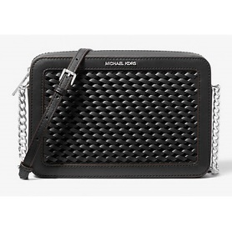 | € 295.00 | 50
Michael Kors | Women | Bags | Wallet | 35T5STTC3Y | 1999 | Lg Ew Crossbody | OPTIC WHITE | 35T5STTC3Y-OPTIC WHITE | ONESIZE | 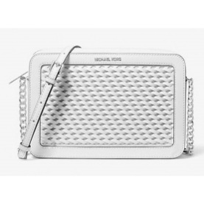 | € 295.00 | 40
Michael Kors | Women | Bags | Wallet | 35T5STTC3Y | 0239 | Lg Ew Crossbody | PEANUT | 35T5STTC3Y-PEANUT | ONESIZE | 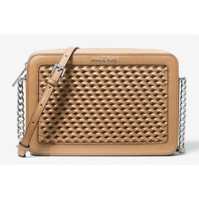 | € 295.00 | 30
Michael Kors | Men | Bags | Wallet | 36S5LCOF3L | 0001 | Snap Cc Dbl Folio Wallet | BLACK | 36S5LCOF3L-BLACK | ONESIZE | 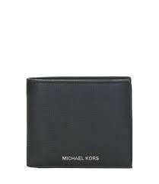 | € 175.00 | 50
Michael Kors | Men | Bags | Wallet | 36S5LCOF3L | 0230 | Snap Cc Dbl Folio Wallet | LUGGAGE | 36S5LCOF3L-LUGGAGE | ONESIZE |  | € 175.00 | 30
Michael Kors | Men | Bags | Wallet | 36S5LCON8B | 0001 | Money Bag Wallet | BLACK | 36S5LCON8B-BLACK | ONESIZE | 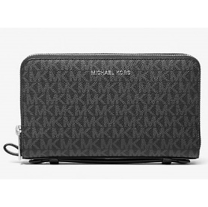 | € 200.00 | 50
Michael Kors | Women | Bags | Card Holder | 35H8STVZ5L | 2699 | Md Za Card Case | DK RASPBERRY | 35H8STVZ5L-DK RASPBERRY | ONESIZE |  | € 150.00 | 20
Michael Kors | Women | Bags | Card Holder | 35H8STVZ5L | 1540 | Md Za Card Case | LT SKY | 35H8STVZ5L-LT SKY | ONESIZE |  | € 150.00 | 20
Michael Kors | Women | Bags | Card Holder | 35H8STVZ5L | 0239 | Md Za Card Case | PEANUT | 35H8STVZ5L-PEANUT | ONESIZE |  | € 150.00 | 40

